TOTAL
Alkalmazott szűrők: TRANSPORT_MODE egyezik ezzel: Sea Reference type egyezik ezzel: Highlighted references only „QUERY_List_Carrier_name_EDIQ_Act”[LSP] egyezik ezzel: Maersk Date ekkori vagy későbbi a következőnél: 2026.05.18. 0:00:00 és dátuma korábbi, mint 2026.05.25. 0:00:00 SHIPMENT_CANCELLED egyezik ezzel: (Üres) Previous and next 1 year egyezik ezzel: Y KPI_Category nem egyezik ezzel: Mapping

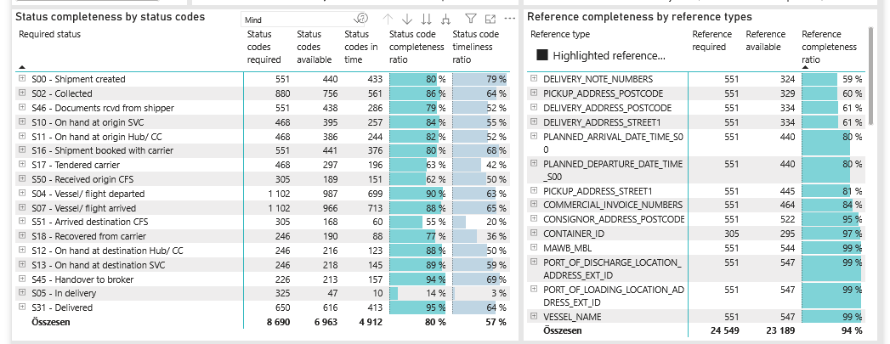
Required status | Status type | „QUERY_List_Carrier_EDIQ_Act”[LSP] | Status codes required | Status codes available | Status codes in time | Status code completeness ratio | Status code timeliness ratio
S00 - Shipment created | Actual | Maersk | 551 | 440 | 433 | 80 % | 79 %
S02 - Collected | Estimated | Maersk | 440 | 385 | 347 | 88 % | 79 %
S02 - Collected | Actual | Maersk | 440 | 371 | 214 | 84 % | 49 %
S46 - Documents rcvd from shipper | Actual | Maersk | 551 | 438 | 286 | 79 % | 52 %
S10 - On hand at origin SVC | Actual | Maersk | 468 | 395 | 257 | 84 % | 55 %
S11 - On hand at origin Hub/ CC | Actual | Maersk | 468 | 386 | 244 | 82 % | 52 %
S16 - Shipment booked with carrier | Actual | Maersk | 551 | 441 | 376 | 80 % | 68 %
S17 - Tendered carrier | Actual | Maersk | 468 | 297 | 196 | 63 % | 42 %
S50 - Received origin CFS | Actual | Maersk | 305 | 189 | 151 | 62 % | 50 %
S04 - Vessel/ flight departed | Estimated | Maersk | 551 | 540 | 417 | 98 % | 76 %
S04 - Vessel/ flight departed | Actual | Maersk | 551 | 447 | 282 | 81 % | 51 %
S07 - Vessel/ flight arrived | Estimated | Maersk | 551 | 547 | 409 | 99 % | 74 %
S07 - Vessel/ flight arrived | Actual | Maersk | 551 | 419 | 304 | 76 % | 55 %
S51 - Arrived destination CFS | Actual | Maersk | 305 | 168 | 60 | 55 % | 20 %
S18 - Recovered from carrier | Actual | Maersk | 246 | 190 | 88 | 77 % | 36 %
S12 - On hand at destination Hub/ CC | Actual | Maersk | 246 | 216 | 123 | 88 % | 50 %
S13 - On hand at destination SVC | Actual | Maersk | 246 | 218 | 145 | 89 % | 59 %
S45 - Handover to broker | Actual | Maersk | 226 | 213 | 157 | 94 % | 69 %
S05 - In delivery | Actual | Maersk | 325 | 47 | 10 | 14 % | 3 %
S31 - Delivered | Estimated | Maersk | 325 | 325 | 292 | 100 % | 90 %
S31 - Delivered | Actual | Maersk | 325 | 291 | 121 | 90 % | 37 %

FCL
Alkalmazott szűrők: TRANSPORT_MODE egyezik ezzel: Sea TRANSPORT_SERVICE_PRIORITY egyezik ezzel: FCL/FCL/FCL Reference type egyezik ezzel: Highlighted references only „QUERY_List_Carrier_name_EDIQ_Act”[LSP] egyezik ezzel: Maersk Date ekkori vagy későbbi a következőnél: 2026.05.18. 0:00:00 és dátuma korábbi, mint 2026.05.25. 0:00:00 SHIPMENT_CANCELLED egyezik ezzel: (Üres) Previous and next 1 year egyezik ezzel: Y KPI_Category nem egyezik ezzel: Mapping

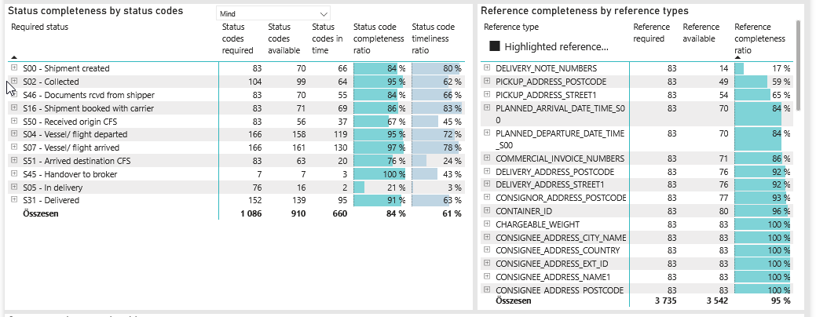
Required status | Status type | „QUERY_List_Carrier_EDIQ_Act”[LSP] | Status codes required | Status codes available | Status codes in time | Status code completeness ratio | Status code timeliness ratio
S00 - Shipment created | Actual | Maersk | 83 | 70 | 66 | 84 % | 80 %
S02 - Collected | Estimated | Maersk | 52 | 51 | 40 | 98 % | 77 %
S02 - Collected | Actual | Maersk | 52 | 48 | 24 | 92 % | 46 %
S46 - Documents rcvd from shipper | Actual | Maersk | 83 | 70 | 55 | 84 % | 66 %
S16 - Shipment booked with carrier | Actual | Maersk | 83 | 71 | 69 | 86 % | 83 %
S50 - Received origin CFS | Actual | Maersk | 83 | 56 | 37 | 67 % | 45 %
S04 - Vessel/ flight departed | Estimated | Maersk | 83 | 83 | 68 | 100 % | 82 %
S04 - Vessel/ flight departed | Actual | Maersk | 83 | 75 | 51 | 90 % | 61 %
S07 - Vessel/ flight arrived | Estimated | Maersk | 83 | 83 | 67 | 100 % | 81 %
S07 - Vessel/ flight arrived | Actual | Maersk | 83 | 78 | 63 | 94 % | 76 %
S51 - Arrived destination CFS | Actual | Maersk | 83 | 63 | 20 | 76 % | 24 %
S45 - Handover to broker | Actual | Maersk | 7 | 7 | 3 | 100 % | 43 %
S05 - In delivery | Actual | Maersk | 76 | 16 | 2 | 21 % | 3 %
S31 - Delivered | Estimated | Maersk | 76 | 76 | 69 | 100 % | 91 %
S31 - Delivered | Actual | Maersk | 76 | 63 | 26 | 83 % | 34 %

BCO
Alkalmazott szűrők: TRANSPORT_MODE egyezik ezzel: Sea TRANSPORT_SERVICE_PRIORITY egyezik ezzel: LCL/FCL/FCL Reference type egyezik ezzel: Highlighted references only „QUERY_List_Carrier_name_EDIQ_Act”[LSP] egyezik ezzel: Maersk Date ekkori vagy későbbi a következőnél: 2026.05.18. 0:00:00 és dátuma korábbi, mint 2026.05.25. 0:00:00 SHIPMENT_CANCELLED egyezik ezzel: (Üres) Previous and next 1 year egyezik ezzel: Y KPI_Category nem egyezik ezzel: Mapping
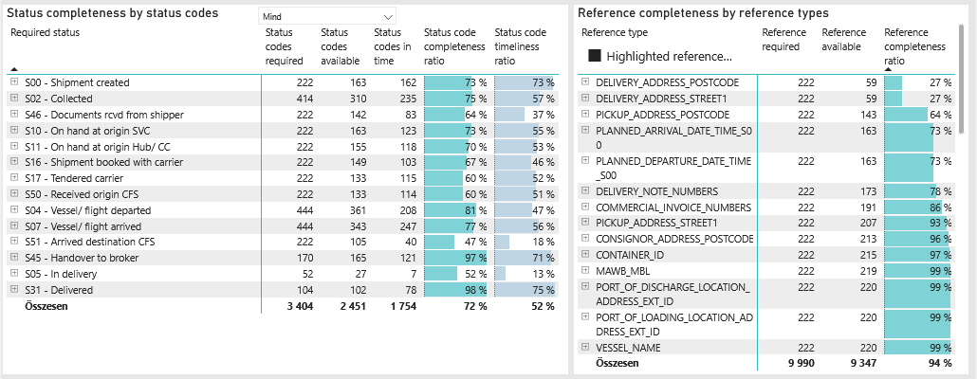
Required status | Status type | „QUERY_List_Carrier_EDIQ_Act”[LSP] | Status codes required | Status codes available | Status codes in time | Status code completeness ratio | Status code timeliness ratio
S00 - Shipment created | Actual | Maersk | 222 | 163 | 162 | 73 % | 73 %
S02 - Collected | Estimated | Maersk | 207 | 158 | 148 | 76 % | 71 %
S02 - Collected | Actual | Maersk | 207 | 152 | 87 | 73 % | 42 %
S46 - Documents rcvd from shipper | Actual | Maersk | 222 | 142 | 83 | 64 % | 37 %
S10 - On hand at origin SVC | Actual | Maersk | 222 | 163 | 123 | 73 % | 55 %
S11 - On hand at origin Hub/ CC | Actual | Maersk | 222 | 155 | 118 | 70 % | 53 %
S16 - Shipment booked with carrier | Actual | Maersk | 222 | 149 | 103 | 67 % | 46 %
S17 - Tendered carrier | Actual | Maersk | 222 | 133 | 115 | 60 % | 52 %
S50 - Received origin CFS | Actual | Maersk | 222 | 133 | 114 | 60 % | 51 %
S04 - Vessel/ flight departed | Estimated | Maersk | 222 | 214 | 143 | 96 % | 64 %
S04 - Vessel/ flight departed | Actual | Maersk | 222 | 147 | 65 | 66 % | 29 %
S07 - Vessel/ flight arrived | Estimated | Maersk | 222 | 220 | 137 | 99 % | 62 %
S07 - Vessel/ flight arrived | Actual | Maersk | 222 | 123 | 110 | 55 % | 50 %
S51 - Arrived destination CFS | Actual | Maersk | 222 | 105 | 40 | 47 % | 18 %
S45 - Handover to broker | Actual | Maersk | 170 | 165 | 121 | 97 % | 71 %
S05 - In delivery | Actual | Maersk | 52 | 27 | 7 | 52 % | 13 %
S31 - Delivered | Estimated | Maersk | 52 | 52 | 39 | 100 % | 75 %
S31 - Delivered | Actual | Maersk | 52 | 50 | 39 | 96 % | 75 %

LCL
Alkalmazott szűrők: TRANSPORT_MODE egyezik ezzel: Sea TRANSPORT_SERVICE_PRIORITY egyezik ezzel: LCL/LCL/LCL Reference type egyezik ezzel: Highlighted references only „QUERY_List_Carrier_name_EDIQ_Act”[LSP] egyezik ezzel: Maersk Date ekkori vagy későbbi a következőnél: 2026.05.18. 0:00:00 és dátuma korábbi, mint 2026.05.25. 0:00:00 SHIPMENT_CANCELLED egyezik ezzel: (Üres) Previous and next 1 year egyezik ezzel: Y KPI_Category nem egyezik ezzel: Mapping

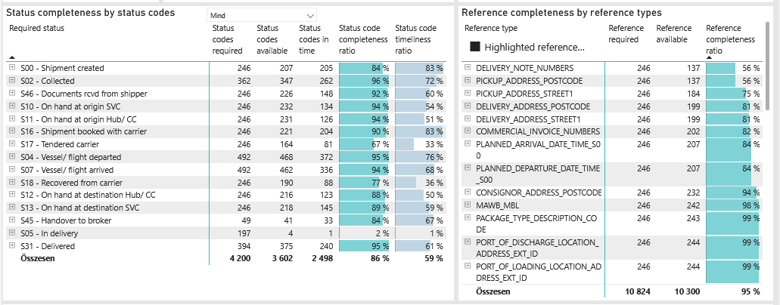
Required status | Status type | „QUERY_List_Carrier_EDIQ_Act”[LSP] | Status codes required | Status codes available | Status codes in time | Status code completeness ratio | Status code timeliness ratio
S00 - Shipment created | Actual | Maersk | 246 | 207 | 205 | 84 % | 83 %
S02 - Collected | Estimated | Maersk | 181 | 176 | 159 | 97 % | 88 %
S02 - Collected | Actual | Maersk | 181 | 171 | 103 | 94 % | 57 %
S46 - Documents rcvd from shipper | Actual | Maersk | 246 | 226 | 148 | 92 % | 60 %
S10 - On hand at origin SVC | Actual | Maersk | 246 | 232 | 134 | 94 % | 54 %
S11 - On hand at origin Hub/ CC | Actual | Maersk | 246 | 231 | 126 | 94 % | 51 %
S16 - Shipment booked with carrier | Actual | Maersk | 246 | 221 | 204 | 90 % | 83 %
S17 - Tendered carrier | Actual | Maersk | 246 | 164 | 81 | 67 % | 33 %
S04 - Vessel/ flight departed | Estimated | Maersk | 246 | 243 | 206 | 99 % | 84 %
S04 - Vessel/ flight departed | Actual | Maersk | 246 | 225 | 166 | 91 % | 67 %
S07 - Vessel/ flight arrived | Estimated | Maersk | 246 | 244 | 205 | 99 % | 83 %
S07 - Vessel/ flight arrived | Actual | Maersk | 246 | 218 | 131 | 89 % | 53 %
S18 - Recovered from carrier | Actual | Maersk | 246 | 190 | 88 | 77 % | 36 %
S12 - On hand at destination Hub/ CC | Actual | Maersk | 246 | 216 | 123 | 88 % | 50 %
S13 - On hand at destination SVC | Actual | Maersk | 246 | 218 | 145 | 89 % | 59 %
S45 - Handover to broker | Actual | Maersk | 49 | 41 | 33 | 84 % | 67 %
S05 - In delivery | Actual | Maersk | 197 | 4 | 1 | 2 % | 1 %
S31 - Delivered | Estimated | Maersk | 197 | 197 | 184 | 100 % | 93 %
S31 - Delivered | Actual | Maersk | 197 | 178 | 56 | 90 % | 28 %

